p-H cycle table
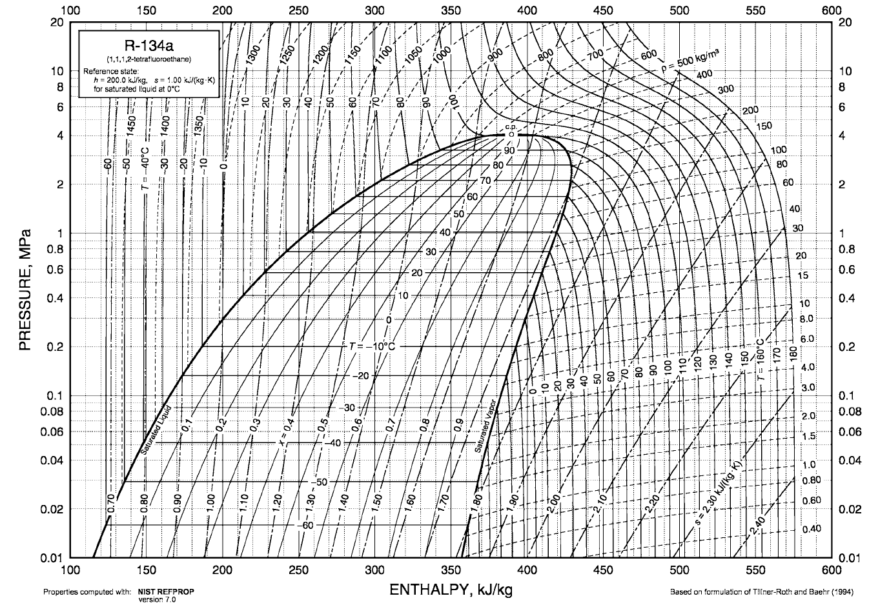

5
4
3

2
1

photo
5
4
3

2
1

COP vs. Teva
Teva | -20 | -16 | -12 | -8 | -4 | 0 | 4 | 8 | 12 | 16 | 20 | 24 | 28 | 32
COP | 2.4465236612 | 2.5922219155 | 2.7540347167 | 2.9342261505 | 3.1371686557 | 3.3649016518 | 3.6237661341 | 3.9217317922 | 4.2628710052 | 4.6559427835 | 5.1252659097 | 5.6736823433 | 6.3437252706 | 7.1686020583

Teva vs. COP
 |  |  |  |  |  |  |  |  |  |  |  |  |  |  | 4th order polynomial function
 |  |  |  |  |  |  |  |  |  |  |  |  |  |  | Linear model Poly4: f(x) = p1*x^4 + p2*x^3 + p3*x^2 + p4*x + p5 Coefficients (with 95% confidence bounds): p1 = 4.539e-07 (3.642e-07, 5.435e-07) p2 = 1.522e-05 (1.275e-05, 1.769e-05) p3 = 0.0008562 (0.000808, 0.0009044) p4 = 0.06064 (0.05981, 0.06146) p5 = 3.37 (3.364, 3.377)
 | x | y
 | -20 | 2.4465236612
 | -16 | 2.5922219155
 | -12 | 2.7540347167
 | -8 | 2.9342261505
 | -4 | 3.1371686557
 | 0 | 3.3649016518
 | 4 | 3.6237661341
 | 8 | 3.9217317922
 | 12 | 4.2628710052
 | 16 | 4.6559427835
 | 20 | 5.1252659097
 | 24 | 5.6736823433
 | 28 | 6.3437252706
 | 32 | 7.1686020583
 | 36
 | 40

Demand
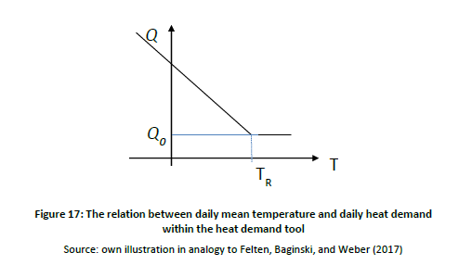
 | TR | Tmin | Q0 | Qmax
gas | 25 | 5 | 0.8(pu) | 1
heat | 25 | 5 | 0.6(pu) | 1

Q(t) = Q0+((Qmax-Q0)/(TR-Tmin))* max(0,TR-T(t))

